Profiles
Factor Profiles (conc. of species) from Base Run #1 (Convergent Run)

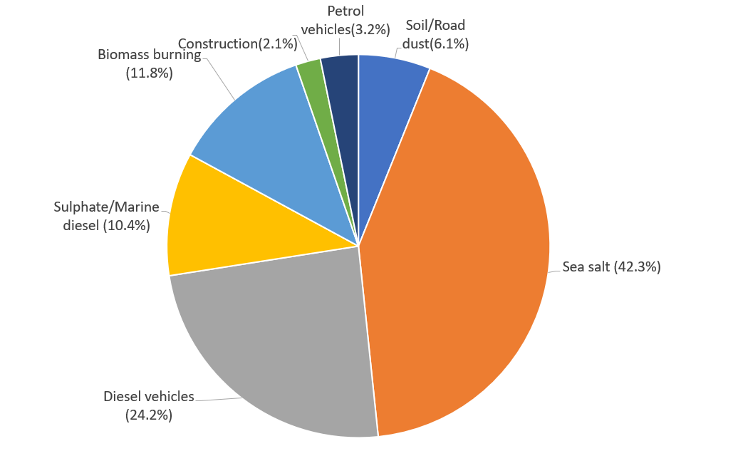
 |  | Soil/Road dust | Sea salt | Diesel vehicles | Biomass burning | Construction | Petrol vehicles | Sulphate/Marine diesel
1 | PM10 | 0.98038 | 6.8224 | 3.9065 | 1.9049 | 0.33465 | 0.51442 | 1.6713 | 16.13455
1 | H | 0 | 0 | 0 | 150.52 | 0 | 0 | 11.923
1 | BC | 0 | 0 | 2934.8 | 0 | 39.512 | 0 | 673.97
1 | Na | 81.56 | 1938.8 | 0 | 111.53 | 0 | 10.259 | 44.052
1 | Mg | 16.176 | 161.28 | 4.5896 | 15.869 | 2.5367 | 0 | 3.5713
1 | Al | 59.839 | 16.179 | 0 | 1.7779 | 12.232 | 0 | 2.2718
1 | Si | 129.48 | 22.849 | 3.9066 | 0 | 64.314 | 3.0734 | 1.7855
1 | S | 66.736 | 179.3 | 0 | 0 | 0 | 0 | 168.64
1 | Cl | 0 | 2922.5 | 28.211 | 216.25 | 73.868 | 10.399 | 0
1 | K | 10.18 | 58.721 | 12.755 | 25.763 | 5.6693 | 7.4487 | 2.3834
1 | Ca | 0 | 81.991 | 0 | 27.951 | 146.75 | 1.7309 | 2.2786
1 | Ti | 5.5047 | 0 | 1.0152 | 0.8045 | 0.8462 | 0.99188 | 0.22967
1 | V | 0 | 0 | 0 | 0 | 0 | 0 | 4.0582
1 | Mn | 0.87613 | 1.1552 | 0.76926 | 0.029842 | 0.35965 | 0.75342 | 0.32512
1 | Fe | 54.051 | 16.373 | 106.41 | 36.887 | 8.4424 | 26.56 | 0
1 | Co | 0.17376 | 0.89405 | 1.7937 | 0 | 0.17454 | 0.36481 | 0.58338
1 | Ni | 0 | 0.75651 | 0.24716 | 0.50925 | 0.023643 | 0.23304 | 1.7153
1 | Cu | 0.087773 | 0.89729 | 5.8065 | 2.7027 | 0 | 0.38468 | 0.22381
1 | Zn | 0 | 0 | 0 | 0 | 0 | 18.722 | 0.11997
1 | As | 0 | 1.088 | 1.8791 | 1.6107 | 0.029206 | 1.1615 | 1.098
1 | Ba | 0.5883 | 8.7765 | 8.9585 | 0 | 0.4634 | 0.0045175 | 1.7248

Factor Profiles (% of species sum) from Base Run #1 (Convergent Run)

 |  | Soil/Road dust | Sea salt | Diesel vehicles | Biomass burning | Construction | Petrol vehicles | Sulphate/Marine diesel
1 | PM10 | 6.0762773055 | 42.284414502 | 24.212017069 | 11.806341051 | 2.0741204434 | 3.188313278 | 10.358516352
1 | H | 0 | 0 | 0 | 92.660194653 | 0 | 0 | 7.3398053471
1 | BC | 0 | 0 | 80.443342921 | 0 | 1.083030314 | 0 | 18.473626765
1 | Na | 3.7306725228 | 88.683519951 | 0 | 5.1015437281 | 0 | 0.46926151804 | 2.0150022802
1 | Mg | 7.9285334076 | 79.050066022 | 2.2495547062 | 7.7780598816 | 1.2433426493 | 0 | 1.7504433332
1 | Al | 64.831196634 | 17.528767699 | 0 | 1.9262251123 | 13.252480777 | 0 | 2.4613297768
1 | Si | 57.44237684 | 10.136707356 | 1.7331200909 | 0 | 28.532198209 | 1.3634800817 | 0.79211742237
1 | S | 16.093528441 | 43.238576624 | 0 | 0 | 0 | 0 | 40.667894935
1 | Cl | 0 | 89.889112668 | 0.86770291102 | 6.6513329733 | 2.2720030708 | 0.31984837729 | 0
1 | K | 8.2817823567 | 47.771565989 | 10.376633984 | 20.959092226 | 4.6121717795 | 6.0597752692 | 1.9389783958
1 | Ca | 0 | 31.450145089 | 0 | 10.721457299 | 56.290431777 | 0.66393940963 | 0.87402642486
1 | Ti | 58.609583535 | 0 | 10.809026687 | 8.5656638789 | 9.0096516772 | 10.56073423 | 2.4453399914
1 | V | 0 | 0 | 0 | 0 | 0 | 0 | 100
1 | Mn | 20.524890702 | 27.062597719 | 18.021272439 | 0.6991014899 | 8.4254356558 | 17.650192498 | 7.6165094965
1 | Fe | 21.731369063 | 6.5828144839 | 42.782464376 | 14.830530622 | 3.3942926158 | 10.67852884 | 0
1 | Co | 4.3611830613 | 22.439662269 | 45.019878321 | 0 | 4.3807601952 | 9.1563259241 | 14.64219023
1 | Ni | 0 | 21.708208234 | 7.092306443 | 14.613032271 | 0.67844069118 | 6.6871301726 | 49.220882188
1 | Cu | 0.86880279068 | 8.8816384999 | 57.474432959 | 26.752114003 | 0 | 3.8076749971 | 2.2153367503
1 | Zn | 0 | 0 | 0 | 0 | 0 | 99.363283139 | 0.63671686135
1 | As | 0 | 15.845030937 | 27.366174296 | 23.457344973 | 0.42534004922 | 16.915444332 | 15.990665413
1 | Ba | 2.8675155887 | 42.778770295 | 43.665882036 | 0 | 2.258722971 | 0.022019380711 | 8.4070897288

Factor Profiles (% of total variable) from Base Run #1 (Convergent Run)

 |  | Factor 1 | Factor 2 | Factor 3 | Factor 4 | Factor 5 | Factor 6 | Factor 7
1 | PM10 | * | * | * | * | * | * | *
1 | H | 0 | 0 | 0 | 7901.7271248 | 0 | 0 | 713.39675702
1 | BC | 0 | 0 | 75126.071931 | 0 | 11806.962498 | 0 | 40326.09346
1 | Na | 8319.2231584 | 28418.15197 | 0 | 5854.9005197 | 0 | 1994.2848256 | 2635.7924969
1 | Mg | 1649.9724597 | 2363.9774859 | 117.48624088 | 833.062103 | 758.01583744 | 0 | 213.6839586
1 | Al | 6103.6536853 | 237.14528612 | 0 | 93.332983359 | 3655.1621097 | 0 | 135.93011428
1 | Si | 13207.123768 | 334.91146811 | 100.00255984 | 0 | 19218.287763 | 597.44955484 | 106.83300425
1 | S | 6807.1564087 | 2628.1074109 | 0 | 0 | 0 | 0 | 10090.34883
1 | Cl | 0 | 42836.831614 | 722.15538206 | 11352.301958 | 22073.210817 | 2021.4999417 | 0
1 | K | 1038.3728758 | 860.70884146 | 326.50710355 | 1352.4594467 | 1694.0983117 | 1447.9802496 | 142.60755101
1 | Ca | 0 | 1201.7911585 | 0 | 1467.3211192 | 43851.785447 | 336.47603126 | 136.33698319
1 | Ti | 561.48636243 | 0 | 25.987456803 | 42.233188094 | 252.86119827 | 192.81520936 | 13.741997248
1 | V | 0 | 0 | 0 | 0 | 0 | 0 | 242.81696883
1 | Mn | 89.366368143 | 16.932457786 | 19.691795725 | 1.5665914221 | 107.47049156 | 146.46009098 | 19.453120325
1 | Fe | 5513.2703646 | 239.98886023 | 2723.921669 | 1936.427109 | 2522.7551173 | 5163.0963026 | 0
1 | Co | 17.723739774 | 13.104625938 | 45.91578139 | 0 | 52.155983864 | 70.916760624 | 34.905761982
1 | Ni | 0 | 11.088619841 | 6.326891079 | 26.733686808 | 7.0649932766 | 45.301504607 | 102.63268115
1 | Cu | 8.9529570167 | 13.152116557 | 148.63688724 | 141.88146359 | 0 | 74.779363166 | 13.391371986
1 | Zn | 0 | 0 | 0 | 0 | 0 | 3639.438591 | 7.1782444803
1 | As | 0 | 15.947467167 | 48.10188148 | 84.555619718 | 8.7273270581 | 225.7882664 | 65.697361335
1 | Ba | 60.007344091 | 128.64241323 | 229.32292333 | 0 | 138.47303153 | 0.87817347693 | 103.20110094

